Indices

 | Iraq Stock Exchange
 | Bulletin No (194)

 | ISX Trading Indices of Wednesday 29/10/2025

 | Traded Volume and OTC |  | 1,667,215,095 |  | Traded Value and OTC |  | 3,776,272,320 |  | Traders | 1052

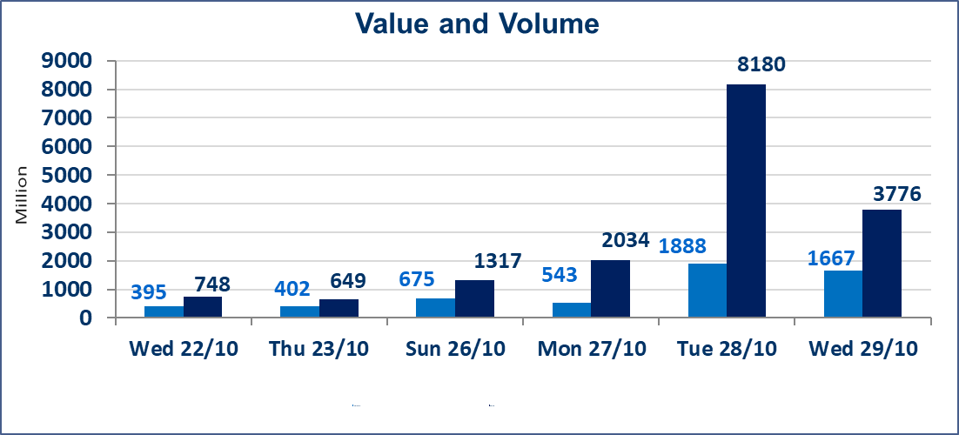
 | ISX Index 60 |  |  | 926.48 | ISX Index 15 |  |  | 1121.22
 | Previous ISX Index60 |  |  | 919.49 | Previous ISX Index15 |  |  | 1116.17
 | Change % |  |  | 0.76 | Change % |  |  | 0.45
 | Change |  |  | 6.99 | Change |  |  | 5.05

 | Listed Companies | 104 | OTC | 11 | Non Traded listed | 44 | OTC | 9
 | Traded Listed Companies | 48 | OTC | 1 | Higher Companies |  |  | 14
 | GAM Companies |  |  | 2 | Lower Companies |  |  | 15
 | Suspended Companies |  |  | 10
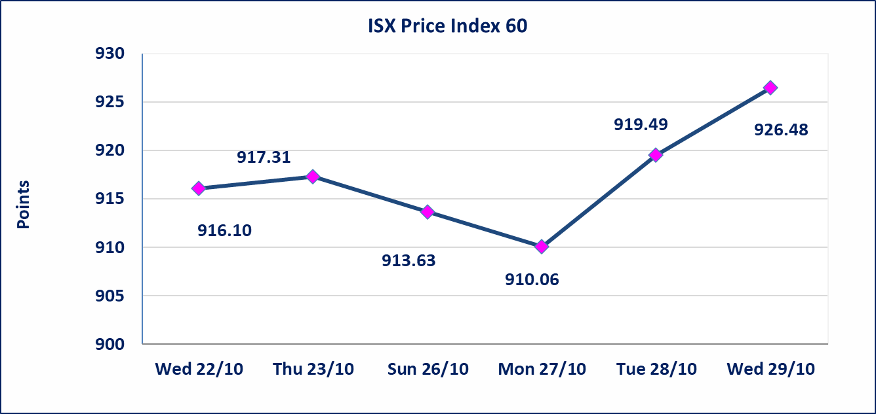
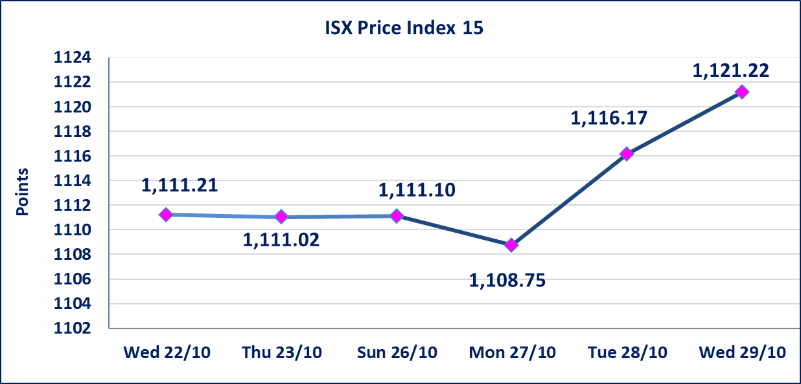

Al-Alwiya P.O . 3607 Mobile: 07711211522 - 07270094594 - 07834000034 E-mail: info-isx@isx-iq.net Web site:www.isx-iq.net

Top 5
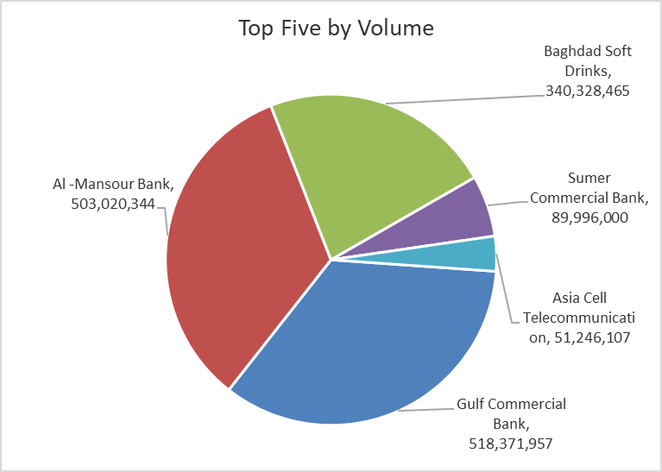
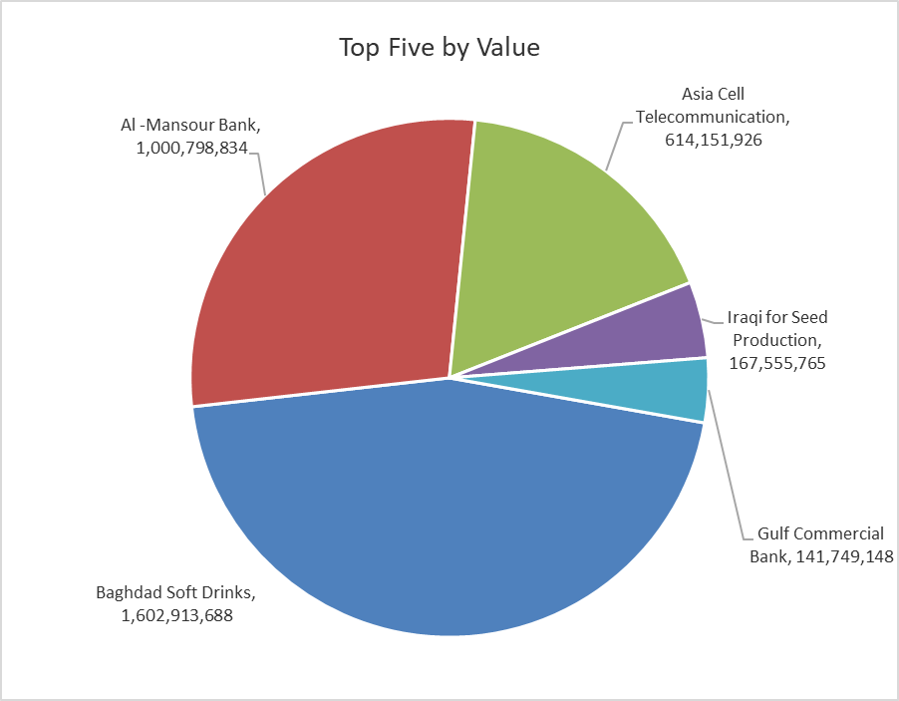
ISX top ganing and losing companies
Wednesday 29/10/2025
Gainers |  |  |  | Losers
Company Name | Closing Price | Change (%) | Traded Volume | Company Name | Closing Price | Change (%) | Traded Volume
Iraqi for Seed Production | 5.790 | 4.89 | 29,282,584 | Middle East Bank | 0.060 | -14.29 | 11,833,051
Al-Hilal Industries | 1.990 | 4.74 | 1,299,120 | Sumer Commercial Bank | 0.090 | -10.00 | 89,996,000
Modern Construction Materials | 0.700 | 4.48 | 860,501 | Agricultural Products Meat | 4.300 | -6.52 | 920,000
Baghdad Soft Drinks | 4.800 | 4.12 | 340,328,465 | Economy Bank | 0.230 | -4.17 | 637,211
Iraqi Date Processing and Marketing | 2.600 | 4.00 | 10,000 | Gulf Commercial Bank | 0.270 | -3.57 | 518,371,957

The most active companies in term of traded volume and value

Traded Volume |  |  |  | Traded Value
Company Name | Closing Price | Change (%) | Traded Volume | Company Name | Closing Price | Change (%) | Traded Value
Gulf Commercial Bank | 0.270 | -3.57 | 518,371,957 | Baghdad Soft Drinks | 4.800 | 4.12 | 1,602,913,688
Al -Mansour Bank | 1.980 | -1.00 | 503,020,344 | Al -Mansour Bank | 1.980 | -1.00 | 1,000,798,834
Baghdad Soft Drinks | 4.800 | 4.12 | 340,328,465 | Asia Cell Telecommunication | 12.000 | 1.01 | 614,151,926
Sumer Commercial Bank | 0.090 | -10.00 | 89,996,000 | Iraqi for Seed Production | 5.790 | 4.89 | 167,555,765
Asia Cell Telecommunication | 12.000 | 1.01 | 51,246,107 | Gulf Commercial Bank | 0.270 | -3.57 | 141,749,148

Non Iraqis

Iraq Stock Exchange
Non Iraqis' Bulletin Wednesday Oct 29 2025
Regular Market

Non Iraqi Trading of Regular Market (Buy)
Company Names | Code | No.of trades | Traded Shares | Trading Volume
Banks Sector
Al-Mansour Bank | BMNS | 1 | 25,000,000 | 49,250,000
Total Bank sector |  | 1 | 25,000,000 | 49,250,000
Grand Total |  | 1 | 25,000,000 | 49,250,000

